brazil knowledge
 | BCB knowledge
subject | content | link
inflation targeting system | IPCA (Extended national cpi).
primary instrument of monetary policy | selic: the average interest rates on interbank loans
BCB Monetary policy committee(copom) | copom
Price index: | IPCA: reference for inflation targeting system.
 | INPC: 1-5 minimum wages bracket.
 | IPC: Fipe: income bracket 1 to 20.
 | IPA:PPI (intercompany transactinos).
 | IGP-DI: industrial price?. IGP-M: released every 10 days. INCC: national index of construction cost.
 | IGP: price used for electricity.
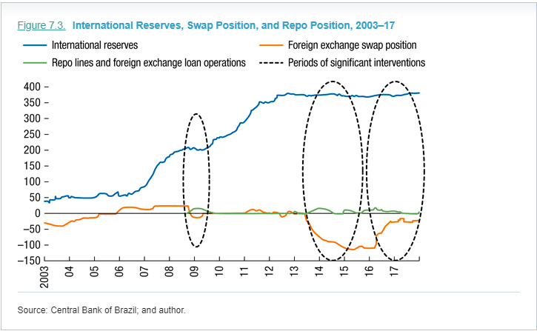
 | IPC-FIPE: calculated according to 30 day period ended every week.
Brazilian FX swap |  | https://www.bcb.gov.br/en/financialstability/fxswap
 |  | https://www.elibrary.imf.org/view/IMF071/25455-9781484375686/25455-9781484375686/ch07.xml?language=en&redirect=true

'Traditional' FX swaps | sale of U.S. dollars in the futures market. The other side will profit on BRL/USD higher
‘Reverse’ FX swaps | In case BRL under appreciation pressure

